OFFER
 |  |  |  |  |  |  |  |  | 49520
Image | Article | EAN Code | Model | Color | Div | Size | HSN Code | Country of Origin | Total Qty
 | EW2452 | 4062063889899 | Elate M | TECONI/DOVGRY/LEGGLD | FTW | 7UK | 64029990 | India | 98
 | EW2452 | 4062063889844 | Elate M | TECONI/DOVGRY/LEGGLD | FTW | 8UK | 64029990 | India | 431
 | EW2452 | 4062063889905 | Elate M | TECONI/DOVGRY/LEGGLD | FTW | 9UK | 64029990 | India | 257
 | EW2452 | 4062063889868 | Elate M | TECONI/DOVGRY/LEGGLD | FTW | 10UK | 64029990 | India | 56
 | EW2452 | 4062063889882 | Elate M | TECONI/DOVGRY/LEGGLD | FTW | 11UK | 64029990 | India | 135
 | EW2452 | 4062063889851 | Elate M | TECONI/DOVGRY/LEGGLD | FTW | 12UK | 64029990 | India | 118
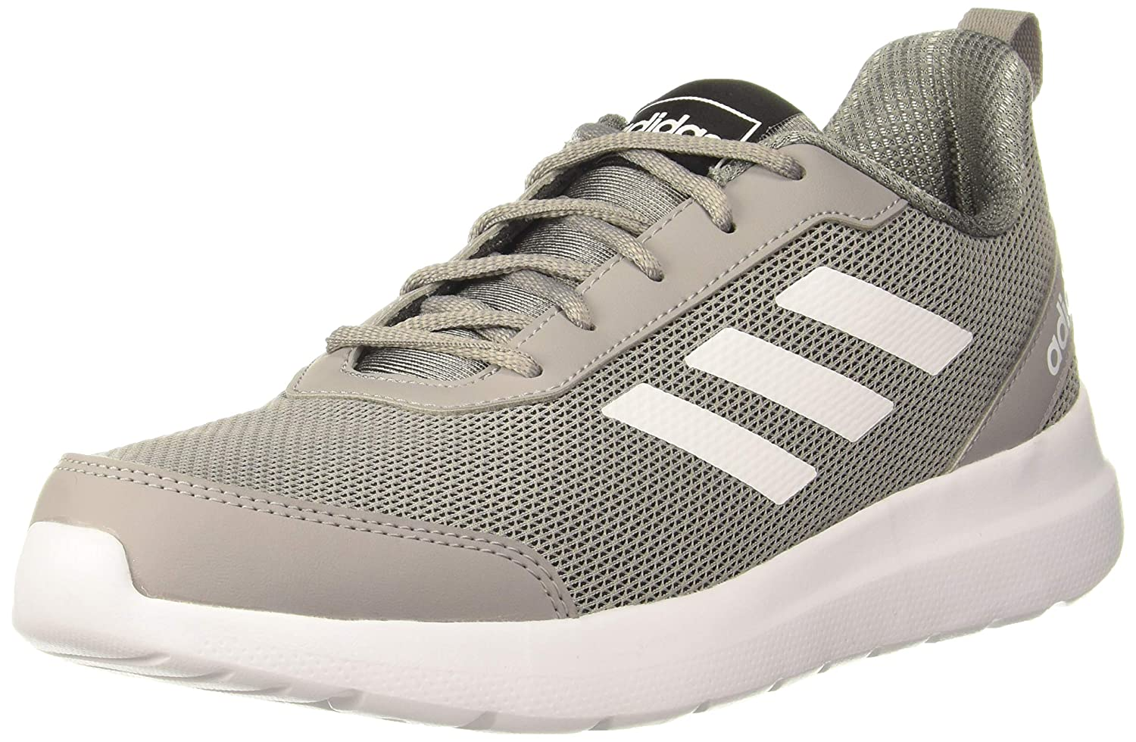 | EW5538 | 4062065629486 | Statix M | CBLACK/DOVGRY/GLOORA | FTW | 12UK | 64029990 | India | 110
 | EW5538 | 4062065629509 | Statix M | CBLACK/DOVGRY/GLOORA | FTW | 6UK | 64029990 | India | 154
 | EW5538 | 4062065629493 | Statix M | CBLACK/DOVGRY/GLOORA | FTW | 8UK | 64029990 | India | 5
 | EW5538 | 4062065633186 | Statix M | CBLACK/DOVGRY/GLOORA | FTW | 9UK | 64029990 | India | 1
 | EW5538 | 4062065629516 | Statix M | CBLACK/DOVGRY/GLOORA | FTW | 10UK | 64029990 | India | 4
 | EW5538 | 4062065633209 | Statix M | CBLACK/DOVGRY/GLOORA | FTW | 11UK | 64029990 | India | 263
 | GB8071 | 4066746688571 | Spri-Run 1.0 M | WONSTE/PULBLU/MINRUS | FTW | 8UK | 64041990 | India | 648
 | GB8071 | 4066746688557 | Spri-Run 1.0 M | WONSTE/PULBLU/MINRUS | FTW | 9UK | 64041990 | India | 425
 | GB8071 | 4066746688564 | Spri-Run 1.0 M | WONSTE/PULBLU/MINRUS | FTW | 10UK | 64041990 | India | 1
 | GB8072 | 4066746688595 | Spri-Run 1.0 M | SEIMOR/CBLACK/SCARLE | FTW | 8UK | 64041990 | India | 646
 | GB8072 | 4066746688632 | Spri-Run 1.0 M | SEIMOR/CBLACK/SCARLE | FTW | 9UK | 64041990 | India | 505
 | EV7169 |  | ADI RIB MS |  | FTW |  |  |  | 209
 | EV7170 |  | ADI RIB MS |  | FTW |  |  |  | 211
 | EV7171 |  | ADI RIB MS |  | FTW |  |  |  | 205
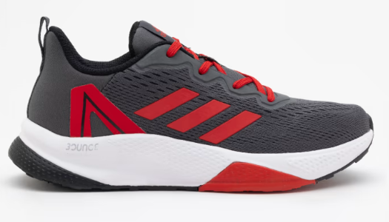 | IR0537 | 4066765238412 | Raddis 1.0 M | GRESIX/STONE/BLACK/BETSCA | FTW | 8UK | 64041990 | India | 2660
 | IR0537 | 4066765238399 | Raddis 1.0 M | GRESIX/STONE/BLACK/BETSCA | FTW | 7UK | 64041990 | India | 651
 | IR0537 | 4066765238382 | Raddis 1.0 M | GRESIX/STONE/BLACK/BETSCA | FTW | 9UK | 64041990 | India | 3574
 | IR0537 | 4066765238436 | Raddis 1.0 M | GRESIX/STONE/BLACK/BETSCA | FTW | 10UK | 64041990 | India | 1155
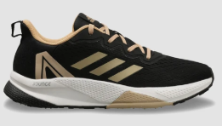 | IR0538 | 4066765242228 | Raddis 1.0 M | BLACK/STONE/MAGBEI | FTW | 7UK | 64041990 | India | 391
 | IR0538 | 4066765242235 | Raddis 1.0 M | BLACK/STONE/MAGBEI | FTW | 8UK | 64041990 | India | 1025
 | IR0538 | 4066765242204 | Raddis 1.0 M | BLACK/STONE/MAGBEI | FTW | 9UK | 64041990 | India | 1554
 | IR0538 | 4066765242259 | Raddis 1.0 M | BLACK/STONE/MAGBEI | FTW | 10UK | 64041990 | India | 637
 | CK9560 | 4061617873421 | Hellion Z M | SILVMT/LEGINK/CBLACK | FTW | 11UK | 64041990 | India | 86
 | CK9560 | 4061617873407 | Hellion Z M | SILVMT/LEGINK/CBLACK | FTW | 7UK | 64041990 | India | 156
 | CK9562 | 4061617873612 | Hellion Z M | CARBON/RAWKHA/CBLACK | FTW | 11UK | 64041990 | India | 173
 | CK9562 | 4061617873650 | Hellion Z M | CARBON/RAWKHA/CBLACK | FTW | 7UK | 64041990 | India | 395
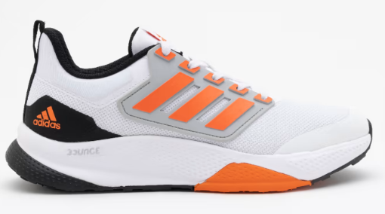 | IR0535 | 4066765265289 | Remus 1.0 M | WHITE/SEIMOR/BLACK/STONE | FTW | 7UK | 64041990 | India | 988
 | IR0535 | 4066765265296 | Remus 1.0 M | WHITE/SEIMOR/BLACK/STONE | FTW | 8UK | 64041990 | India | 2148
 | IR0535 | 4066765265265 | Remus 1.0 M | WHITE/SEIMOR/BLACK/STONE | FTW | 9UK | 64041990 | India | 2392
 | IR0535 | 4066765265241 | Remus 1.0 M | WHITE/SEIMOR/BLACK/STONE | FTW | 10UK | 64041990 | India | 1198
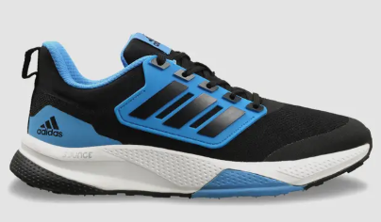 | IR0536 | 4066765265326 | Remus 1.0 M | BLACK/PULBLU | FTW | 7UK | 64041990 | India | 543
 | IR0536 | 4066765265302 | Remus 1.0 M | BLACK/PULBLU | FTW | 8UK | 64041990 | India | 1847
 | IR0536 | 4066765265333 | Remus 1.0 M | BLACK/PULBLU | FTW | 10UK | 64041990 | India | 662
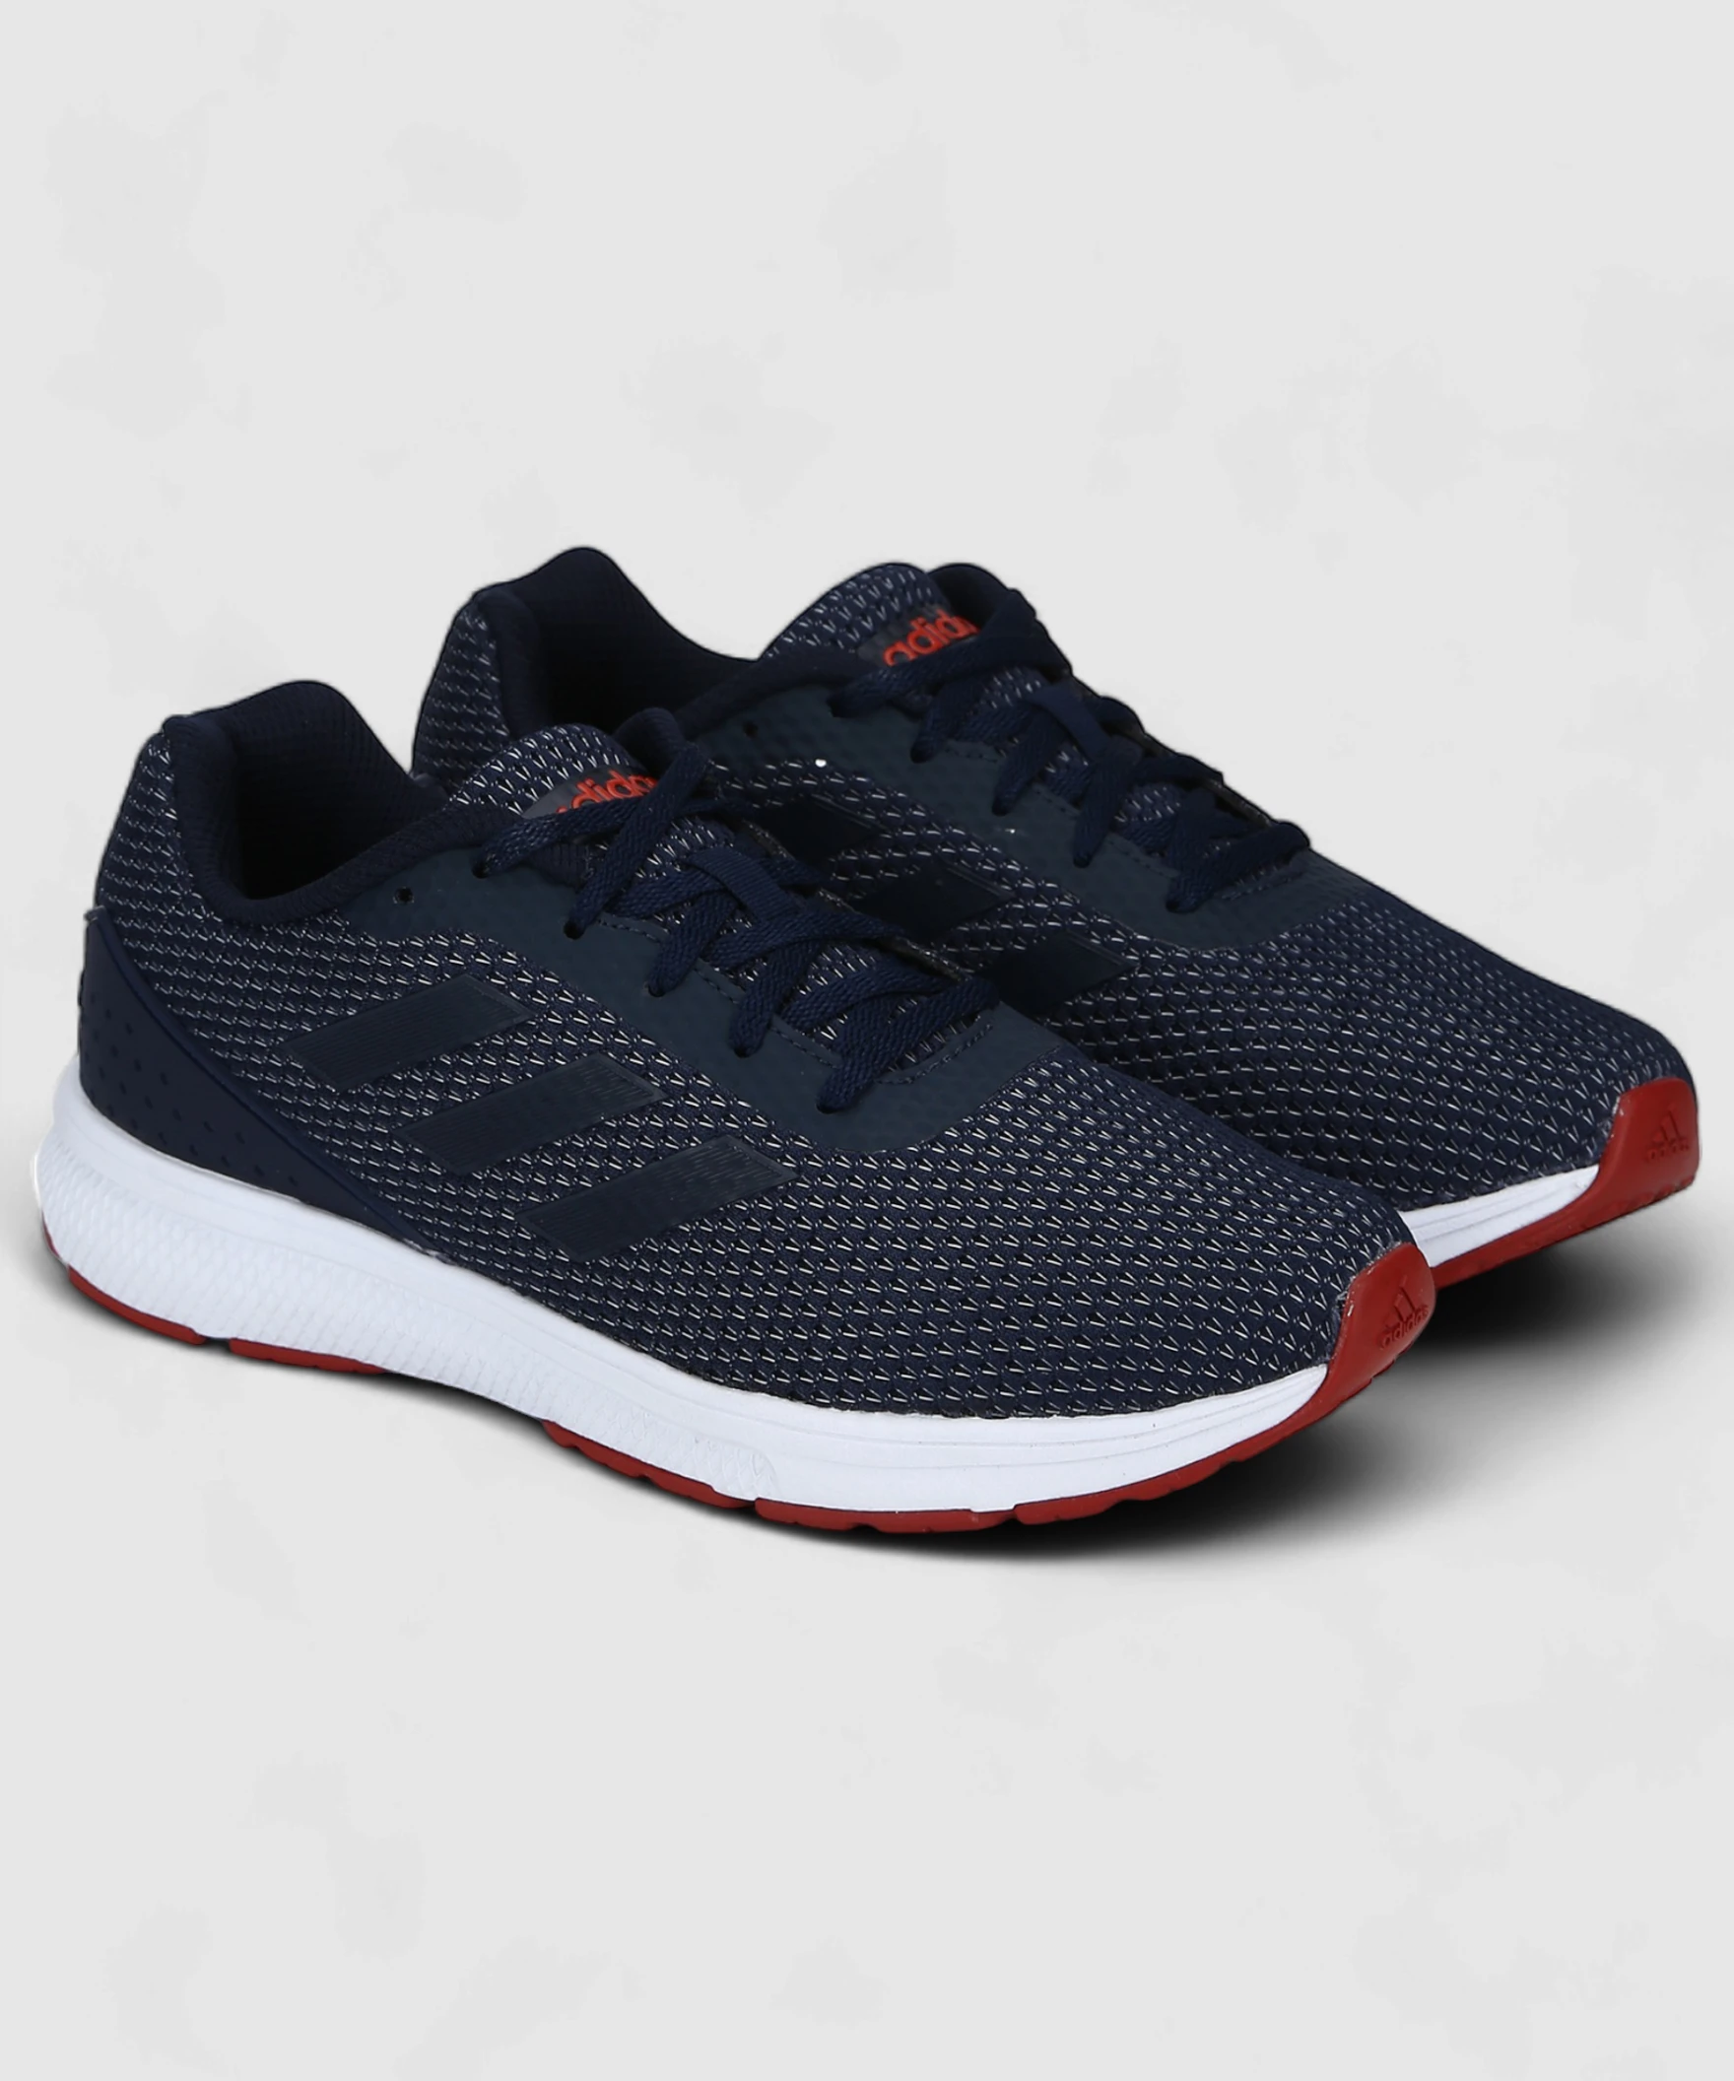 | CK9419 | 4061617997646 | Phanko M | CBLACK/CBLACK/SILVMT | FTW | 7UK | 64041990 | India | 605
 | CK9419 | 4061617997639 | Phanko M | CBLACK/CBLACK/SILVMT | FTW | 8UK | 64041990 | India | 788
 | CK9419 | 4061617997608 | Phanko M | CBLACK/CBLACK/SILVMT | FTW | 9UK | 64041990 | India | 1038
 | CK9419 | 4061617997653 | Phanko M | CBLACK/CBLACK/SILVMT | FTW | 10UK | 64041990 | India | 534
 | CK9421 | 4061617998605 | Phanko M | GRESIX/CBLACK/SCARLE | FTW | 9UK | 64041990 | India | 880
 | CK9421 | 4061617998599 | Phanko M | GRESIX/CBLACK/SCARLE | FTW | 8UK | 64041990 | India | 668
 | CK9421 | 4061617998568 | Phanko M | GRESIX/CBLACK/SCARLE | FTW | 10UK | 64041990 | India | 474
 | CK9421 | 4061617998629 | Phanko M | GRESIX/CBLACK/SCARLE | FTW | 7UK | 64041990 | India | 522
 | CK9536 | 4061617908963 | Furio Lite 1.0 M | RAWKHA/CARBON | FTW | 6UK | 64041990 | India | 117
 | CK9536 | 4061617908949 | Furio Lite 1.0 M | RAWKHA/CARBON | FTW | 7UK | 64041990 | India | 324
 | EY5117 | 4065421523701 | Galba 1.0 M | FTWWHT/NTNAVY/BLUBEA/CBLACK | FTW | 7UK | 64041990 | India | 64
 | EY5117 | 4065421523732 | Galba 1.0 M | FTWWHT/NTNAVY/BLUBEA/CBLACK | FTW | 11UK | 64041990 | India | 25
 | EY5117 | 4065421523756 | Galba 1.0 M | FTWWHT/NTNAVY/BLUBEA/CBLACK | FTW | 12UK | 64041990 | India | 19
 | EY5118 | 4065421527631 | Galba 1.0 M | FTWWHT/VISGRE/CROYAL/CBLACK | FTW | 12UK | 64041990 | India | 48
 | EY5118 | 4065421527617 | Galba 1.0 M | FTWWHT/VISGRE/CROYAL/CBLACK | FTW | 11UK | 64041990 | India | 116
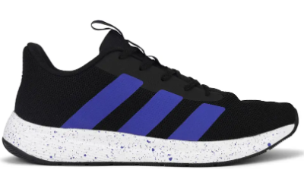 | GB2582 | 4066747543435 | Glam Hertz M | TECONI/MAGBEI | FTW | 10UK | 64041990 | India | 266
 | GB2582 | 4066747543473 | Glam Hertz M | TECONI/MAGBEI | FTW | 11UK | 64041990 | India | 21
 | GB2582 | 4066747543459 | Glam Hertz M | TECONI/MAGBEI | FTW | 6UK | 64041990 | India | 40
 | GB2582 | 4066747543466 | Glam Hertz M | TECONI/MAGBEI | FTW | 7UK | 64041990 | India | 248
 | GB2582 | 4066747543442 | Glam Hertz M | TECONI/MAGBEI | FTW | 8UK | 64041990 | India | 395
 | GB2582 | 4066747543480 | Glam Hertz M | TECONI/MAGBEI | FTW | 9UK | 64041990 | India | 505
 | GA1176 | 4065424921658 | Stormex M | GRESIX/ACIYEL/CBLACK | FTW | 7UK | 64041190 | India | 108
 | GA1176 | 4065424921702 | Stormex M | GRESIX/ACIYEL/CBLACK | FTW | 9UK | 64041190 | India | 166
 | GA1176 | 4065424921689 | Stormex M | GRESIX/ACIYEL/CBLACK | FTW | 10UK | 64041190 | India | 98
 | GA1176 | 4065424921641 | Stormex M | GRESIX/ACIYEL/CBLACK | FTW | 11UK | 64041190 | India | 31
 | GA1176 | 4065424921665 | Stormex M | GRESIX/ACIYEL/CBLACK | FTW | 6UK | 64041190 | India | 30
 | GA1176 | 4065424921696 | Stormex M | GRESIX/ACIYEL/CBLACK | FTW | 8UK | 64041190 | India | 174
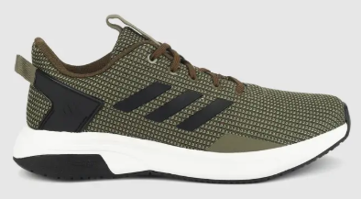 | IV2191 | 4067897832752 | Furio 2.0 M | RAWKHA/CBLACK/TRAOLI | FTW | 10UK | 64041990 | India | 255
 | IV2191 | 4067897832769 | Furio 2.0 M | RAWKHA/CBLACK/TRAOLI | FTW | 9UK | 64041990 | India | 405
 | IV2191 | 4067897832745 | Furio 2.0 M | RAWKHA/CBLACK/TRAOLI | FTW | 7UK | 64041990 | India | 3
 | IV2191 | 4067897832790 | Furio 2.0 M | RAWKHA/CBLACK/TRAOLI | FTW | 8UK | 64041990 | India | 100
 | IV2190 | 4067897825136 | Furio 2.0 M | SILVMT/CARBON/SCARLE/VISGRE | FTW | 7UK | 64041990 | India | 98
 | IV2190 | 4067897825129 | Furio 2.0 M | SILVMT/CARBON/SCARLE/VISGRE | FTW | 8UK | 64041990 | India | 349
 | IV2190 | 4067897828816 | Furio 2.0 M | SILVMT/CARBON/SCARLE/VISGRE | FTW | 9UK | 64041990 | India | 636
 | IV2190 | 4067897825150 | Furio 2.0 M | SILVMT/CARBON/SCARLE/VISGRE | FTW | 10UK | 64041990 | India | 385
 | IQ6178 | 4066763907716 | Kylen M | BLUNIT/FTWWHT/SHOSLI/CBLACK | FTW | 7UK | 64041990 | India | 43
 | IQ6178 | 4066763907723 | Kylen M | BLUNIT/FTWWHT/SHOSLI/CBLACK | FTW | 9UK | 64041990 | India | 784
 | IQ6178 | 4066763907761 | Kylen M | BLUNIT/FTWWHT/SHOSLI/CBLACK | FTW | 10UK | 64041990 | India | 395
 | IQ6178 | 4066763907754 | Kylen M | BLUNIT/FTWWHT/SHOSLI/CBLACK | FTW | 8UK | 64041990 | India | 88
 | GB8073 | 4066746692394 | Nebular 1.0 M | NGTSKY/TECIND/MINRUS | FTW | 7UK | 64041990 | India | 355
 | BH8646 | 4057287506905 | Albis 1.0 M | NTNAVY/BOAQUA/CBLACK | FTW | 12UK | 64041990 | India | 6
 | BH8646 | 4057287502952 | Albis 1.0 M | NTNAVY/BOAQUA/CBLACK | FTW | 11UK | 64041990 | India | 119
 | CH7546 | 4057286580821 | Adi Quest 1.0 M | CBLACK/DGSOGR/VISGRE/SUPORA | FTW | 8UK | 64039990 | India | 441
 | CH7546 | 4057286580852 | Adi Quest 1.0 M | CBLACK/DGSOGR/VISGRE/SUPORA | FTW | 7UK | 64039990 | India | 10
 | CH7546 | 4057286580845 | Adi Quest 1.0 M | CBLACK/DGSOGR/VISGRE/SUPORA | FTW | 9UK | 64039990 | India | 279
 | CH7546 | 4057286580814 | Adi Quest 1.0 M | CBLACK/DGSOGR/VISGRE/SUPORA | FTW | 10UK | 64039990 | India | 14
 | BH8647 | 4057287514313 | Albis 1.0 M | RICBLU/SILVMT/BYELLO | FTW | 11UK | 64041990 | India | 166
 | BH8647 | 4057287514283 | Albis 1.0 M | RICBLU/SILVMT/BYELLO | FTW | 12UK | 64041990 | India | 49
 | BH8647 | 4057287514252 | Albis 1.0 M | RICBLU/SILVMT/BYELLO | FTW | 8UK | 64041990 | India | 6
 | IU8938 | 4067889682631 | Adi Quest 1.0 M | MINGRE/SILVMT/SESOSL/CBLACK | FTW | 8UK | 64041990 | India | 1803
 | IU8938 | 4067889682617 | Adi Quest 1.0 M | MINGRE/SILVMT/SESOSL/CBLACK | FTW | 9UK | 64041990 | India | 2172
 | IU8938 | 4067889683140 | Adi Quest 1.0 M | MINGRE/SILVMT/SESOSL/CBLACK | FTW | 10UK | 64041990 | India | 996
 | IU8938 | 4067889683157 | Adi Quest 1.0 M | MINGRE/SILVMT/SESOSL/CBLACK | FTW | 7UK | 64041990 | India | 1088
 | IU8939 | 4067889683195 | Adi Quest 1.0 M | CBLACK/DGSOGR/VISGRE/SUPORA | FTW | 8UK | 64041990 | India | 726
 | IU8939 | 4067889683225 | Adi Quest 1.0 M | CBLACK/DGSOGR/VISGRE/SUPORA | FTW | 9UK | 64041990 | India | 842
 | IU8939 | 4067889683171 | Adi Quest 1.0 M | CBLACK/DGSOGR/VISGRE/SUPORA | FTW | 7UK | 64041990 | India | 308
 | IU8939 | 4067889683164 | Adi Quest 1.0 M | CBLACK/DGSOGR/VISGRE/SUPORA | FTW | 10UK | 64041990 | India | 356
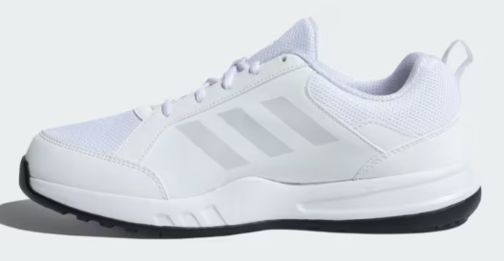 | EY1759 | 4064055594712 | Court Flux M | FTWWHT/FTWWHT | FTW | 6UK | 64041990 | India | 59
 | EY1759 | 4064055594705 | Court Flux M | FTWWHT/FTWWHT | FTW | 7UK | 64041990 | India | 510
 | EY1759 | 4064055594675 | Court Flux M | FTWWHT/FTWWHT | FTW | 9UK | 64041990 | India | 56
 | EY1759 | 4064055594729 | Court Flux M | FTWWHT/FTWWHT | FTW | 10UK | 64041990 | India | 80
 | EY1759 | 4064055594668 | Court Flux M | FTWWHT/FTWWHT | FTW | 11UK | 64041990 | India | 394
 | EY1759 | 4064055594682 | Court Flux M | FTWWHT/FTWWHT | FTW | 12UK | 64041990 | India | 123

